How To
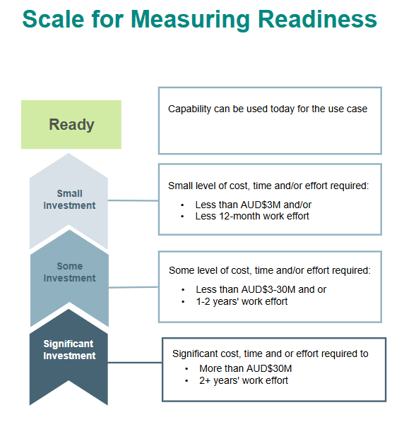
Completing this workbook
Due Date 14th January 2025

Overview
 | The intent is to have your input on how ready BMA technology systems is to support business initatives.
 | Multiple technology subject matter experts have been asked to complete this information.

Guidance
 | Please complete this workbook with the following guidance.
 | This workbook has 7 tabs for actioning, one tab for each site and a tab covering the BNE DC.
 | On each tab rate your view of the technology readiness in line with the subject, area and notes provided.
 |  | - Only fields coloured light blue will be available to enter data
 |  | - The 'Estimated Invesement & Effort' field is a drop-down list.
 |  | - Please add commentary and assumptions to provide insight to why you selected this answer.
 |  | - If you do not have a response to a question please leave the fields blank.
 |  | - The Notes column provides some context to assist with your rating.
 |  | - Each tab will have a TOPIC (grey rows), a Technology area and Notes. Notes provide context to assist you with your rating.
 | Investment category definitions are listed below to guide your responses. They are also available next to the selection in the drop down list

Next Steps
 | Following collation of responses the Enterprise Strategy team will organise meetings with all respondents to ensure a shared understanding of the detail provided.
 | Contact Fabian Arenas with any questions.

INVESTMENT CATEGORES

